Sheet1
BENCHMARKING TABLE 10-20-23
TEAM 1: Brayden Chipman, Miguel Cruz, Ashwin Halepet, Vance Padilla
Need | Metric | Units | BEOL Biological Refrigerator Smart Lock * | Sifely Smart Lock | YEYA Refrigerator Lock

1 | Cost | US Dollars | $984 | $129.99 | $13.99
2,4,6,7 | Remote Connectivity | Binary | Yes | Yes | No
4,7 | Size | Centimeters | 15.9 cm x 8.8 cm x 3.6 cm | 17.78 cm x 7.62 cm x 2.84 cm | 25.4 cm x 6.60 cm x 2.54 cm
3,7 | Material | Type | PC-ABS engineering plastics | Zinc | Polypropylene Plastic
3,7 | Strength | Young's Modulus of Material(MPa) | 1670-11100 MPa | 96500 MPa | 800-8250 MPa
3,4,6,7 | Method of Attachment | Type | Adhesive | Installation on Door | Adhesive
4,5,7 | Power Delivery | Type | 2 AA Batteries | 4 AA Batteries | N/A
2,6,7 | Method of Verification | Type | NFC Card, physical key, remote authorization | App, Fingerprint, Passcode | Key
7 | Alarms/Notifications | Binary | Yes | Yes | No
4,6 | Used Outside of Labs | Binary | No | Yes | Yes

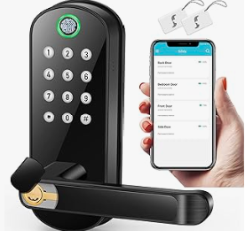
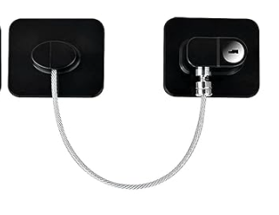
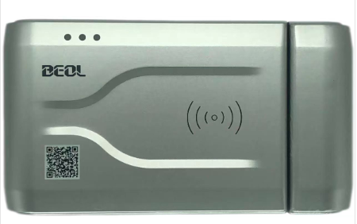
1 | Affordability |  | *Translated using DeepL Translation
2 | Records
3 | Durability
4 | User Friendly
5 | Long Lasting(Power)
6 | Accessibility
7 | Security

 |  |  | This is a digital lock that was specifically designed for biological refrigerators. It includes a temperature monitor, and features that can close the lock based on changes in temperature. | This is a digital lock that has unlock and lock features connected to a mobile application used to replace the traditional lock and doorknob system. | This is a non-digital lock that is held by a thick wire. The black squares are held up by adhesives that stick to the refrigerator.

